Test Scenarios
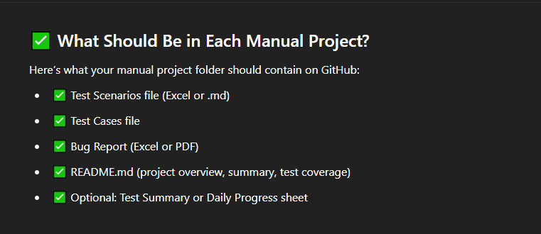
Test Scenario ID | Refrence | Test Scenario Description | Priority | Number of Test Cases
(TS_001) Register functionality | FRS | Validte the functionality of the Register Account. | P0 | 34
(TS_002) Login functionality | FRS | Validte the functionality of the Login Account. | P0 | 6
(TS_003) Forget Password functionality | FRS | Validte the functionality of the Forget Password. | P0 | 27
(TS_004) Header_Your account | FRS | Validte the functionality of the Dropdown Header > Your account. |  | 43
(TS_005) Header_Create Group | FRS | Validte the functionality of the Dropdown Header > Create Group. |  | 13
(TS_006) Header_Fairness Calculator | FRS | Validte the functionality of the Dropdown Header > Fairness Calculator.
 |  |  |  | 123

